Graphical Representation
Class Marks (x) | Frequency (f) |  | Class Upper Boundary | CF (F)
55.5 | 6 |  | 57.5 | 6
59.5 | 9 |  | 61.5 | 15
63.5 | 11 |  | 65.5 | 26
67.5 | 16 |  | 69.5 | 42
71.5 | 8 |  | 73.5 | 50

Original Class | Frequency (f) |  | Original Class | Frequency (f) | Percentage | Angle (θ)
53.5-57.5 | 6 |  | 53.5-57.5 | 6 | 12.00% | 43.2
57.5-61.5 | 9 |  | 57.5-61.5 | 9 | 18.00% | 64.8
61.5-65.5 | 11 | N = 50 | 61.5-65.5 | 11 | 22.00% | 79.2
65.5-69.5 | 16 |  | 65.5-69.5 | 16 | 32.00% | 115.2
69.5-73.5 | 8 |  | 69.5-73.5 | 8 | 16.00% | 57.6

Central Tendency
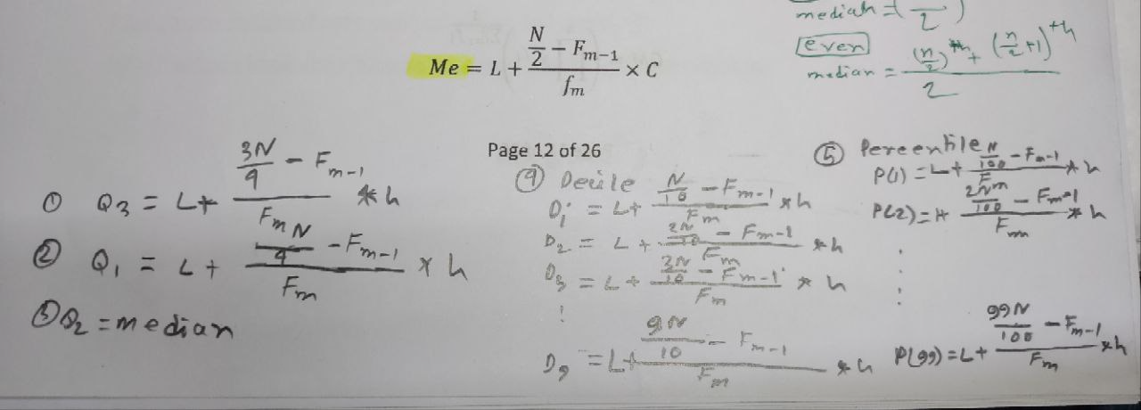
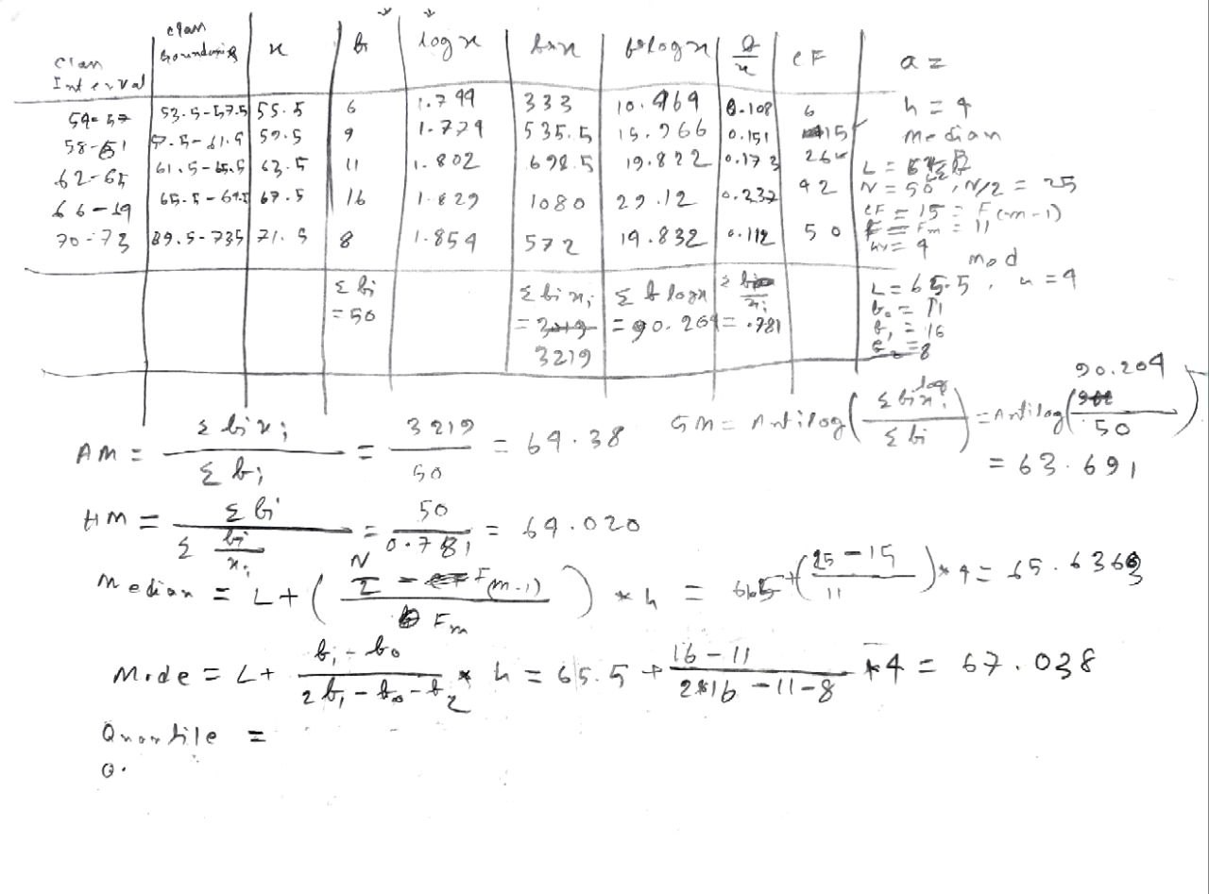
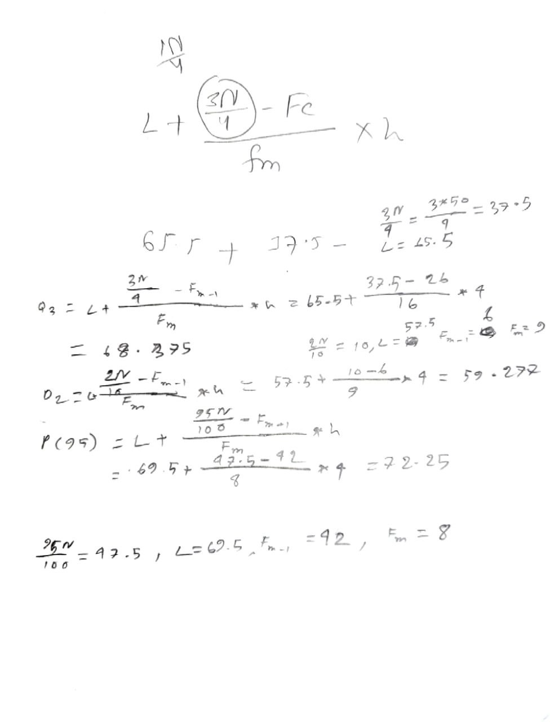
Class Interval (Class) | Class Boundary (Original Class) | Class Mark (Mid Value) (x) | Frequency (f) | Cumulative Frequency (F) | f*x | u = (x - 63.5)/4 | f*u | log(x) | f*log(x) | f/x
54-57 | 53.5-57.5 | 55.5 | 6 | 6 | 333 | -2 | -12 | 1.744292983 | 10.4657579 | 0.1081081081
58-61 | 57.5-61.5 | 59.5 | 9 | 15 | 535.5 | -1 | -9 | 1.774516966 | 15.97065269 | 0.1512605042
62-65 | 61.5-65.5 | 63.5 | 11 | 26 | 698.5 | 0 | 0 | 1.802773725 | 19.83051098 | 0.1732283465
66-69 | 65.5-69.5 | 67.5 | 16 | 42 | 1080 | 1 | 16 | 1.829303773 | 29.26886037 | 0.237037037
70-73 | 69.5-73.5 | 71.5 | 8 | 50 | 572 | 2 | 16 | 1.854306042 | 14.83444833 | 0.1118881119

 | SUM |  | 50 |  | 3219 |  | 11 |  | 90.37023027 | 0.7815221077

 |  | AM (Direct) = | 64.38 |  | GM = | 64.18072303
 | a = 63.5, h = 4 | AM (Code) = | 64.38 |  | HM = | 63.9777167

 | L = 65.5 |  |  |  | 50/2 = 25
 | del1 = 5 | Mode (Mo) = | 67.03846154 |  | L = 61.5
 | del2 = 8 |  |  |  | F_(m - 1) = 15 | Median(Me) = | 65.13636364
 | C = 4 |  |  |  | f_m = 11
 |  |  |  |  | C = 4

 | 3*50/4 = 37.5 |  |  |  | 2*50/10 = 10 |  |  |  | 95*50/100 = 47.5
 | L = 65.5 | Quartile (Q3) = | 68.375 |  | L = 57.5 |  |  |  | L = 69.5
 | F_(q - 1) = 26 |  |  |  | F_(d - 1) = 6 | Decile (D2) = | 59.27777778 |  | F_(p - 1) = 42 | Percentile (P95) = | 72.25
 | f_q = 16 |  |  |  | f_d = 9 |  |  |  | f_p = 8
 | C = 4 |  |  |  | C = 4 |  |  |  | C = 4

Dispersion
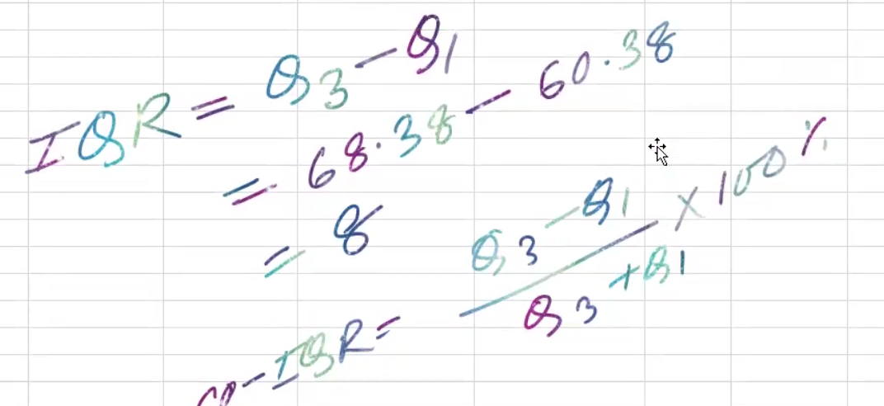
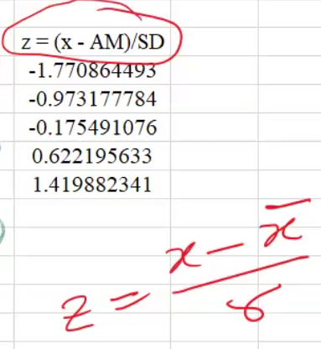
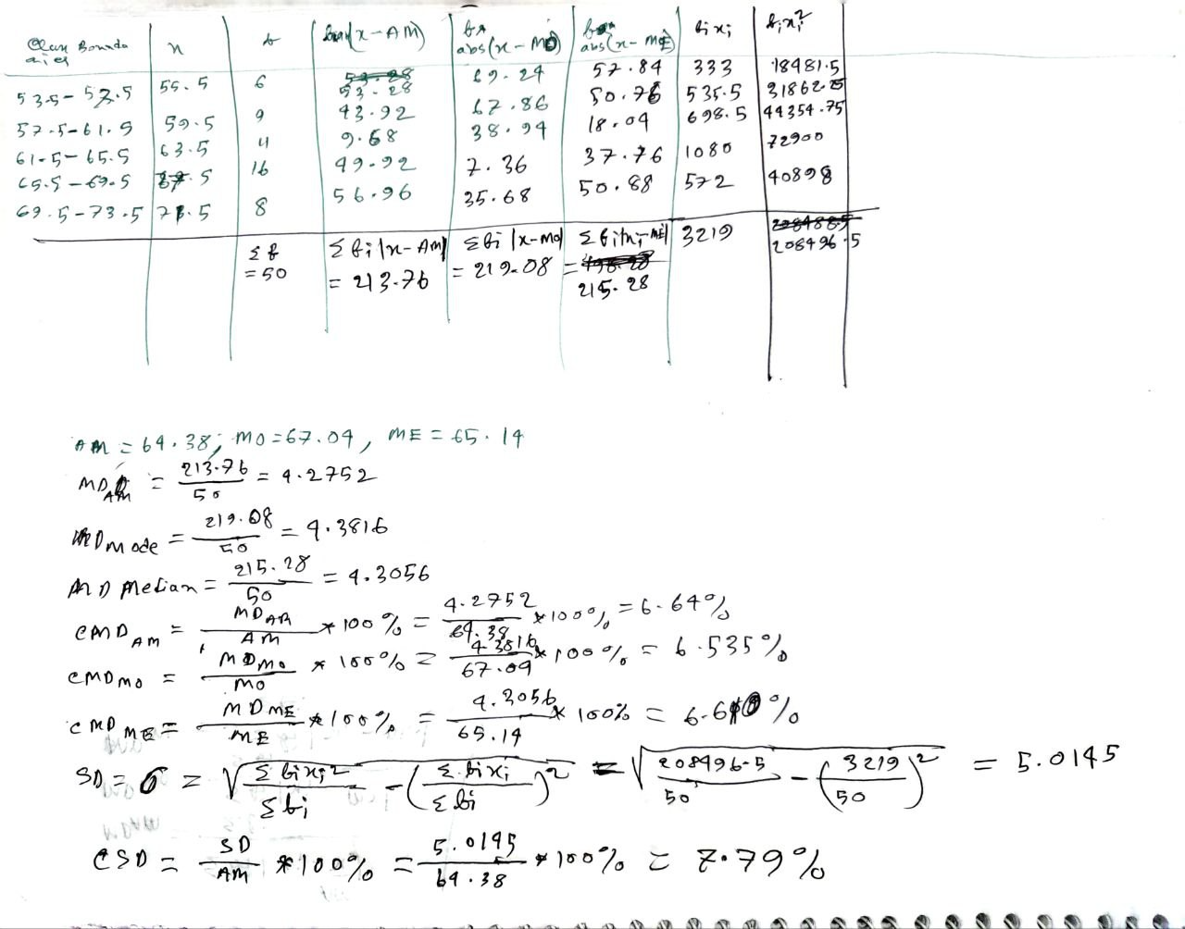
Original Class | Class Marks (x) | Frequency (f) | f*ABS(x - AM) | f*ABS(x - Mode) | f*ABS(x - Median) | f*x | f*x^2 | u = (x - 63.5)/4 | f*u | f*u^2 | z = (x - AM)/SD
53.5-57.5 | 55.5 | 6 | 53.28 | 69.24 | 57.84 | 333 | 18481.5 | -2 | -12 | 24 | -1.770864493
57.5-61.5 | 59.5 | 9 | 43.92 | 67.86 | 50.76 | 535.5 | 31862.25 | -1 | -9 | 9 | -0.9731777844
61.5-65.5 | 63.5 | 11 | 9.68 | 38.94 | 18.04 | 698.5 | 44354.75 | 0 | 0 | 0 | -0.1754910759
65.5-69.5 | 67.5 | 16 | 49.92 | 7.36 | 37.76 | 1080 | 72900 | 1 | 16 | 16 | 0.6221956327
69.5-73.5 | 71.5 | 8 | 56.96 | 35.68 | 50.88 | 572 | 40898 | 2 | 16 | 32 | 1.419882341

 | Sum | 50 | 213.76 | 219.08 | 215.28 | 3219 | 208496.5 |  | 11 | 81

Arithmatic mean = | 64.38
Mode = | 67.04
Median = | 65.14
MD (AM) = | 4.2752
MD (Mode) = | 4.3816
MD (Median) = | 4.3056
Co-efficient of MD (AM) = |  | 6.64% |  | IQR = Q3-Q1
Co-efficient of MD (Mode) = |  | 6.54% |  | CO-IQR =
Co-efficient of MD (Median) = |  | 6.61% |  | Z-Score

SD (Direct) = | 5.014538862
SD (Code) = | 5.014538862

a = 63.5, h = 4

Co-efficient of SD = |  | 7.79%

Skewness & Kurtosis
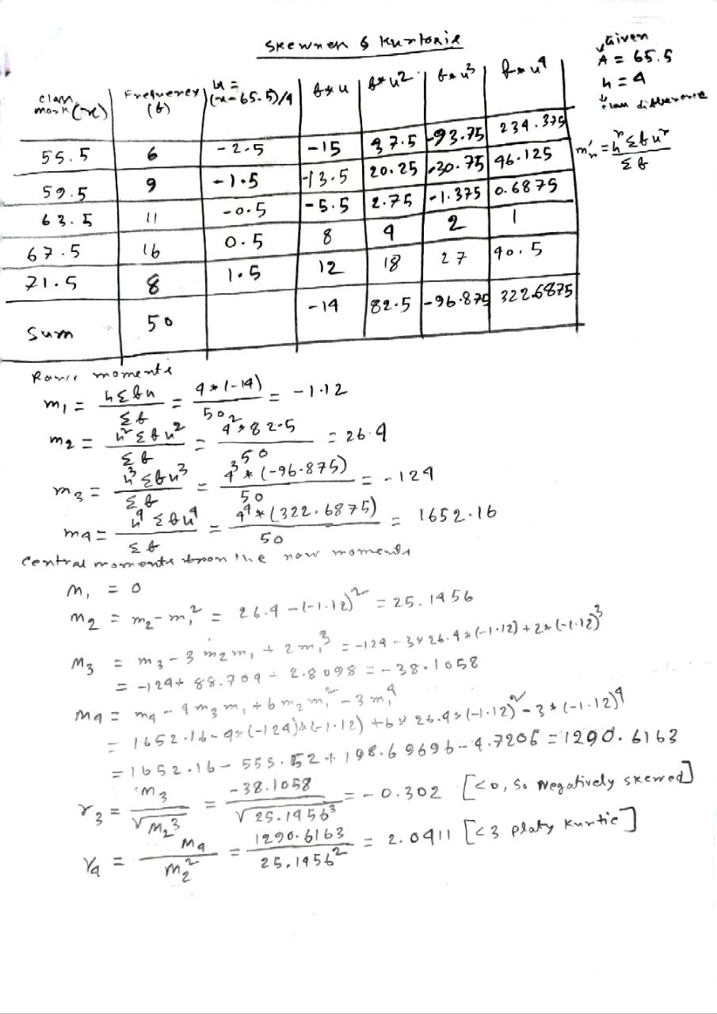
 | Class Mark (x) | Frequency (f) | u = (x - 65.5)/4 | f*u | f*u^2 | f*u^3 | f*u^4
 | 55.5 | 6 | -2.5 | -15 | 37.5 | -93.75 | 234.375
 | 59.5 | 9 | -1.5 | -13.5 | 20.25 | -30.375 | 45.5625
A = 65.5 | 63.5 | 11 | -0.5 | -5.5 | 2.75 | -1.375 | 0.6875
h = 4 | 67.5 | 16 | 0.5 | 8 | 4 | 2 | 1
 | 71.5 | 8 | 1.5 | 12 | 18 | 27 | 40.5

 | SUM | 50 |  | -14 | 82.5 | -96.5 | 322.125

 | m1 = | -1.12
 | m2 = | 26.4
 | m3 = | -123.52
 | m4 = | 1649.28

 | M1 = | 0
 | M2 = | 25.1456
 | M3 = | -37.625856
 | M4 = | 1289.886802

 | gamma_3 = | -0.2983962664 | <0 | negatively skewed
 | gamma_4 = | 2.03998791 | <3 | platykurtic

 | corrected M2 = | 23.81226667
 | corrected M4 = | 1096.188669

Correlation & Regression
 | Weight | Height
 | X | Y | X^2 | Y^2 | X*Y | U = (X - 70)/10 | V = (Y - 65)/5 | U^2 | V^2 | U*V |  | Serial | X-rank | Y-rank | d = X - Y | d^2
 | 75 | 69 | 5625 | 4761 | 5175 | 0.5 | 0.8 | 0.25 | 0.64 | 0.4 |  | 1 | 1 | 4 | -3 | 9
 | 70 | 67 | 4900 | 4489 | 4690 | 0 | 0.4 | 0 | 0.16 | 0 |  | 2 | 5 | 3 | 2 | 4
 | 80 | 63 | 6400 | 3969 | 5040 | 1 | -0.4 | 1 | 0.16 | -0.4 |  | 3 | 2 | 9 | -7 | 49
 | 74 | 68 | 5476 | 4624 | 5032 | 0.4 | 0.6 | 0.16 | 0.36 | 0.24 |  | 4 | 8 | 6 | 2 | 4
 | 60 | 65 | 3600 | 4225 | 3900 | -1 | 0 | 1 | 0 | 0 |  | 5 | 7 | 5 | 2 | 4
N = 12 | 60 | 63 | 3600 | 3969 | 3780 | -1 | -0.4 | 1 | 0.16 | 0.4 |  | 6 | 3 | 1 | 2 | 4
 | 49 | 63 | 2401 | 3969 | 3087 | -2.1 | -0.4 | 4.41 | 0.16 | 0.84 |  | 7 | 9 | 10 | -1 | 1
 | 64 | 65 | 4096 | 4225 | 4160 | -0.6 | 0 | 0.36 | 0 | 0 |  | 8 | 4 | 2 | 2 | 4
 | 75 | 65 | 5625 | 4225 | 4875 | 0.5 | 0 | 0.25 | 0 | 0 |  | 9 | 10 | 7 | 3 | 9
 | 80 | 70 | 6400 | 4900 | 5600 | 1 | 1 | 1 | 1 | 1 |  | 10 | 6 | 8 | -2 | 4
 | 69 | 65 | 4761 | 4225 | 4485 | -0.1 | 0 | 0.01 | 0 | 0
 | 60 | 65 | 3600 | 4225 | 3900 | -1 | 0 | 1 | 0 | 0 |  | SUM |  | N = 10 |  | 92
 |  |  |  |  |  | a = 70, h = 10 | b = 65, k = 5
SUM | 816 | 788 | 56484 | 51806 | 53724 | -2.4 | 1.6 | 10.44 | 2.64 | 2.48
 |  |  |  |  |  |  |  |  |  |  |  |  | Rank Correlation Coefficient = |  |  | 0.4424242424

Direct |  | 0.569538779 |  | Positively Correlated (Strong) |  |  |  |  |  |  |  |  | Comment: Positively Correlated (Moderate)
 |  | 0.140562249 |  | Y is more depending on X
 |  | 2.307692308 |  | X is less depending on Y

Regression line of Y on X
Code |  | 0.569538779 |  |  |  |  |  |  |  |  | X | y = 0.14 X + 56.15
 |  | 0.140562249 |  |  |  |  |  |  |  |  | 70 | 65.95
 |  | 2.307692308 |  |  |  |  |  |  |  |  | 80 | 67.35

 |  | 68 |  |  |  |  |  |  |  |  | 76 | 66.79
 |  | 65.66666667

 |  | Regression line of y on x
Regression line of X on Y
 |  | y = 0.14(X - 68) + 65.67 |  |  |  |  |  |  |  |  | x = 2.31 Y - 83.70 | Y
 |  | y = 0.14 X + 56.15 |  |  |  |  |  |  |  |  | 54.9 | 60
 |  |  |  |  |  |  |  |  |  |  | 66.45 | 65
 |  | Regression line of x on y

 |  | x = 2.31(Y - 65.67) + 68 |  |  |  |  |  |  |  |  | 59.52 | 62
 |  | x = 2.31 Y - 83.70

